From SAM Data Pull
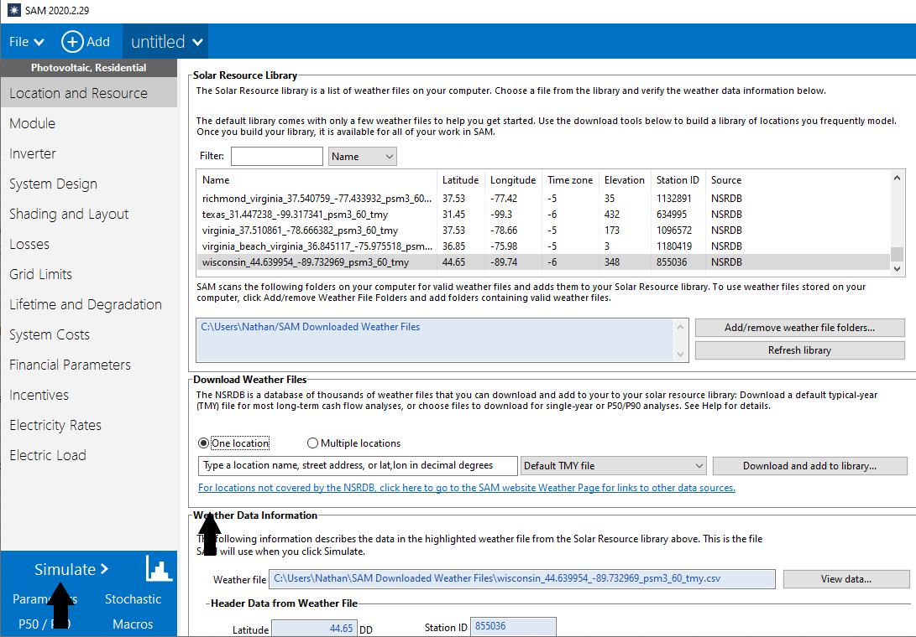
Arizona | 20.8
Colorado | 20.2
Florida | 18.8
Illinois | 16.6
Indiana | 16.3
Iowa | 16.4941
Maine | 14.8002
Maryland | 16.6537
Michigan | 14.8429
Minnesota | 16.115
Nevada | 19.7212
New Jersey | 16.4038
New Mexico | 21.6853
North Carolina | 17.1061
Ohio | 15.3332
Oregon | 17.6182
Pennsylvania | 14.695
Texas | 18.986
Virginia | 16.3321
Wisconsin | 15.9392
California | 20.8

National Capacity factors
 | 2017 | 2018 | 2019 | 2020 | 2021 | 2022 | 2023 | 2024 | 2025 | 2026 | 2027 | 2028 | 2029 | 2030 | 2031 | 2032 | 2033 | 2034 | 2035 | 2036 | 2037 | 2038 | 2039 | 2040 | 2041 | 2042 | 2043 | 2044 | 2045 | 2046 | 2047 | 2048 | 2049 | 2050
Capacity Factor (dimensionless) | 0.1652 | 0.1654 | 0.1655 | 0.1657 | 0.1659 | 0.1661 | 0.1662 | 0.1664 | 0.1666 | 0.1667 | 0.1669 | 0.1671 | 0.1673 | 0.1674 | 0.1676 | 0.1678 | 0.1680 | 0.1681 | 0.1683 | 0.1685 | 0.1686 | 0.1688 | 0.1690 | 0.1692 | 0.1693 | 0.1695 | 0.1697 | 0.1699 | 0.1700 | 0.1702 | 0.1704 | 0.1705 | 0.1707 | 0.1709
Normalized to 2019 growth | 0.9979140482 | 0.9989570241 | 1 | 1.001042976 | 1.002085952 | 1.003128928 | 1.004171904 | 1.00521488 | 1.006257855 | 1.007300831 | 1.008343807 | 1.009386783 | 1.010429759 | 1.011472735 | 1.012515711 | 1.013558687 | 1.014601663 | 1.015644639 | 1.016687614 | 1.01773059 | 1.018773566 | 1.019816542 | 1.020859518 | 1.021902494 | 1.02294547 | 1.023988446 | 1.025031422 | 1.026074398 | 1.027117374 | 1.028160349 | 1.029203325 | 1.030246301 | 1.031289277 | 1.032332253

